Sheet3
Total Survey Volunteers |  | Max of BP % difference |  | Min of BP % difference
120 |  | 29% |  | 0%

Row Labels | Count of sex
Female | 60
Male | 60
Grand Total | 120

Row Labels | Average of bp_before | Average of bp_after | Average of % diff
Female | 153.63333333 | 166.8 | 8.52%
Male | 159.26666667 | 174.33333333 | 9.54%
Grand Total | 156.45 | 170.56666667 | 0.090305558459

Count of Threshold | Column Labels
Row Labels | Exteremely High Increase | Low Increase | Normal Increase | Grand Total
Female | 3 | 10 | 47 | 60
Male | 4 | 5 | 51 | 60
Grand Total | 7 | 15 | 98 | 120

Row Labels | Average of bp_before | Average of bp_after | Average of % diff
30-45 | 151.675 | 165.55 | 9.13%
46-59 | 155.1 | 170.525 | 9.98%
60+ | 162.575 | 175.625 | 7.97%
Grand Total | 156.45 | 170.56666667 | 0.090305558459

Bp Change Level | Count of changes
increase | 116
No increase | 4
Grand Total | 120

Redbull dashboard
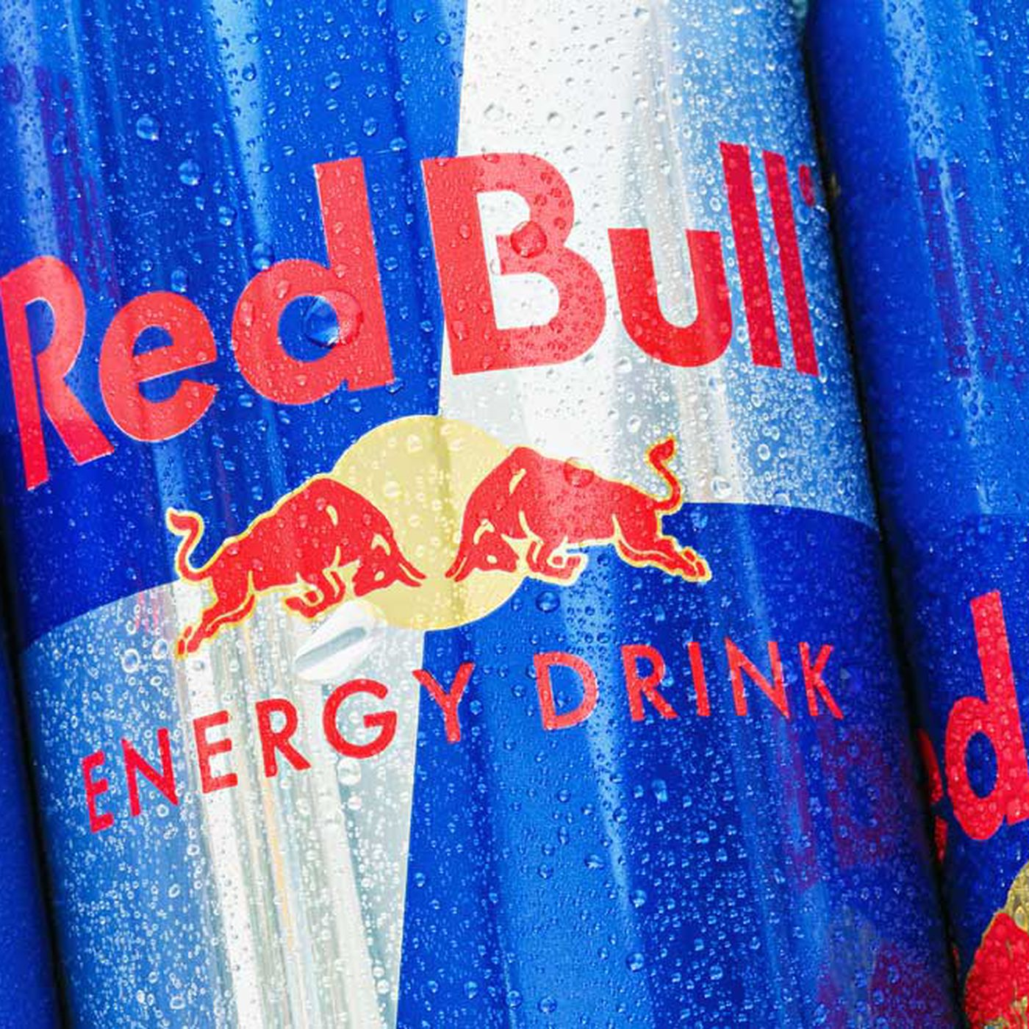
Survey on Effect of Redbull On Blood Pressure

 | Average of bp_before | Average of bp_after | Average of % diff
Female | 153.63333333 | 166.8 | 8.52%
Male | 159.26666667 | 174.33333333 | 9.54%
 | Average of bp_before | Average of bp_after | Average of % diff
30-45 | 151.675 | 165.55 | 9.13%
46-59 | 155.1 | 170.525 | 9.98%
60+ | 162.575 | 175.625 | 7.97%

 | Total
Female | 60
Male | 60

 | Exteremely High Increase | Low Increase | Normal Increase
Female | 3 | 10 | 47
Male | 4 | 5 | 51
BP Changes Level
 | Total
increase | 116
No increase | 4

